16 03 2022
CODE | product Line | Photo | Item description | EAN | languages | Units meaning | RRP | DEF | TOTALE LIST | PZ X CRT | PZ X PLT | NR.PLT
GPZ19-YL919000 | SOY LUNA |  | SOY LUNA BTS MOCHILA TROLLEY | 8056379013334 | ES. | unit | 39.90 € | 768 | 30,643.20 € | 6 | 66 | 11.64
GPZ19-YLU06001 | SOY LUNA |  | SOY LUNA - ROLLER KIT MAKE UP | 8056379008002 | EN. NL. PT. IT. DE. FR. ES | unit | 18.90 € | 4020 | 75,978.00 € | 12 | 492 | 8.17
GPZ19-YLU10001 | SOY LUNA | 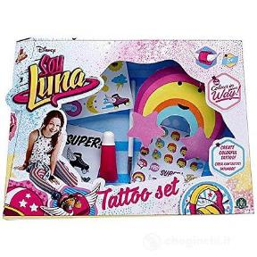 | SOY LUNA - TATTOO SET | 8056379008040 | EN. IT. FR. NL. DE. ES. PT. | unit | 12.90 € | 2520 | 32,508.00 € | 12 | 504 | 5.00
GPZ19-YLU11001 | SOY LUNA |  | SOY LUNA - COLOR YOUR HAIR | 8056379008057 | IT. EN. FR. NL. ES. PT. DE. | unit | 12.99 € | 2436 | 31,643.64 € | 12 | 384 | 6.34
GPZ19-YLU13001 | SOY LUNA |  | SOY LUNA - COLOR YOUR NAIL | 8056379008071 | EN. IT. FR. NL. DE. ES. PT. | unit | 20.90 € | 1884 | 39,375.60 € | 12 | 348 | 5.41
GPZ19-YLU29000 | SOY LUNA |  | SOY LUNA - RELOJ DIGITAL | 8056379027010 | IT. EN. FR. NL. DE. ES. PT. | unit | 9.90 € | 1968 | 19,483.20 € | 24 | 1656 | 1.19
GPZ19-YLU26000 | SOY LUNA |  | SOY LUNA - CDU DIARIO SECRETO | 8056379010722 | IT. ES. EL. EN. PT. TR. FR. DE. NL. | display | 6.90 € | 3168 | 21,859.20 € | 18 | 792 | 4.00
GPZ19-YLG17000 | SOY LUNA |  | SOY LUNA - DIARIO CON CANDADO | 8056379018230 |  | unit | 6.90 € | 348 | 2,401.20 € | 6 | 930 | 0.37
GPZ19-NLY01000 | ONLY FOR GIRLS | 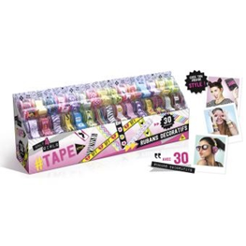 | ONLY 4 GIRLS - TAPE DISPENSER | 8056379014201 | EN. IT. ES. PT. EL. | unit | 15.90 € | 5832 | 92,728.80 € | 8 | 376 | 15.51
GPZ19-HMH00000 | SHIMMER & SHINE | 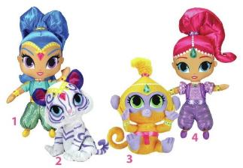 | S&S PELUCHES 18CM | 8056379019633 | EN. IT. FR. NL. DE. ES. PT. EL. TR. | display | 12.90 € | 864 | 11,145.60 € | 12 | 432 | 2.00
GPZ19-HMH06000 | SHIMMER & SHINE |  | S&S MINI PELUCHES | 8056379025764 | EN. IT. FR. NL. DE. ES. PT. EL. TR. | display | 6.90 € | 1140 | 7,866.00 € | 12 | 672 | 1.70
GPZ19-HMH05000 | SHIMMER & SHINE |  | S&S - BLISTER COLA DE CABALLO | 8056379024972 | EN. IT. FR. NL. DE. ES. PT. EL. TR. | unit | 39.90 € | 2328 | 92,887.20 € | 6 | 522 | 4.46
GPZ19-KAT02000 | KATE & MIM MIM |  | KATE&MIM MIM-CDU PELUCHE BEANI | 8056379012290 | EN. IT. FR. NL. DE. ES. PT. EL. | display | 14.90 € | 4920 | 73,308.00 € | 6 | 636 | 7.74
GPZ19-GPH13600 | TERRARIA |  | TERRARIA - BLISTER FIGURAS #1 | 8001444156454 | ES. | unit | 15.00 € | 936 | 14,040.00 € | 9 | 468 | 2.00
GPZ19-QXE00111 | QXE00111 |  | Qixels - Medieval |  |  | unit | 20.00 € | 576 | 11,520.00 € | 12 | 576 | 1.00
GPZ19-QXE11010 | QXE11010 | 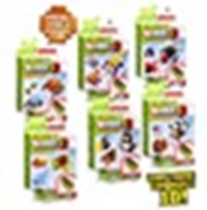 | Qixels - Medieval | 8056379015277 |  | unit | 14.90 € | 96 | 1,430.40 € | 48 | 96 | 1.00
GPZ19-GPH19414 | RUDIES PET SHOP | 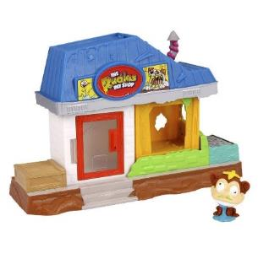 | RPS - MINI PLAYSET + MASCOTA | 3700320066836 | DE. ES. EL. TR. IT. | unit | 29.90 € | 276 | 8,252.40 € | 4 | 320 | 0.86
GPZ19-GPH19500 | MINI SWEETY |  | MINI SWEETY- SOBRES PROMO | 8001444379051 |  | display | 1.00 € | 1980 | 1,980.00 € | 200 | 2600 | 0.76
GPZ19-DDA02000 | ATMOSFLARE |  | ATMOSFLARE 3D PEN - RECAMBIO | 8056379008842 | EN. IT. FR. DE. NL. ES. PT. EL. TR. | unit | 26.99 € | 528 | 14,250.72 € | 12 | 552 | 0.96
GPZ19-GLV04000 | DEDI POMPAS |  | DEDI POMPAS - CDU 24 UNIDADES | 0 |  | display | 24.90 € | 9936 | 247,406.40 € | 24 | 2064 | 4.81
GPZ19-GLV00000 | MANI POMPAS |  | MANI POMPAS - CDU 12 GUANTES | 8056379050193 |  | display | 24.90 € | 39312 | 978,868.80 € | 12 | 684 | 57.47
GPZ19-DEP05002 | MINIONS 3 | 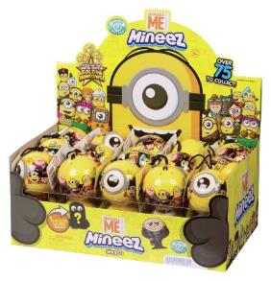 | MINIONS 3 - CDU 30 PACKS 2 FIG | 8056379027300 | EN. IT. FR. DE. ES. PT. EL. TR. | display | 8.90 € | 26700 | 237,630.00 € | 30 | 6990 | 3.82
GPZ19-MEF02000 | BUBBLE FOOT |  | FOOTBUBBLE MESSI BL.CALCETINES | 8056379007098 | EN. IT. ES. PT. EL. | unit | 7.90 € | 4800 | 37,920.00 € | 24 | 1416 | 3.39
GPZ19-UPR04000 | ZORBZ | 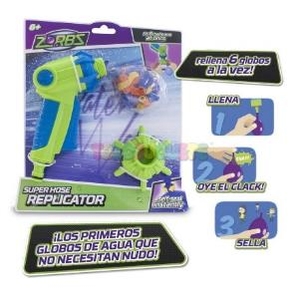 | ZORBZ- REPLICADOR + 50 GLOBOS | 8056379003250 | IT. ES. PT. EL.TR. | unit | 24.90 € | 6552 | 163,144.80 € | 12 | 372 | 17.61
GPZ19-WFW02111 | WORLD OF WARRIORS |  | WOFW - BLISTER 4 FIGURAS | 8001444146882 | EN. IT. ES. FR. DE. EL. PT. TR. | unit | 12.90 € | 11016 | 142,106.40 € | 6 | 852 | 12.93
GPZ19-WFW05111 | WORLD OF WARRIORS |  | WOFW - SAMPLER BAG 1 FIGURA | 0 |  | unit | 9.90 € | 1000 | 9,900.00 € | 200 | 1800 | 0.56
GPZ19-GPH12700 | TORTUGAS NINJA | 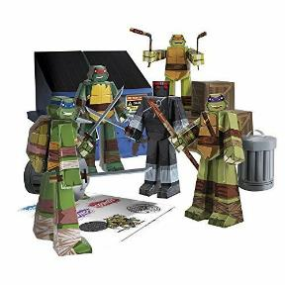 | TMNT BLUEPRINTS - TEAM NINJA | 8001444160550 | EN. FR. ES. PT. IT. EL. TR. | unit | 31.65 € | 1692 | 53,551.80 € | 9 | 720 | 2.35
GPZ19-GPH12705 | TORTUGAS NINJA | 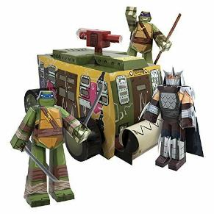 | TMNT BLUEPRINTS - SHELL RAISER | 8001444160567 | ES. PT. IT. EL. TR. | unit | 31.90 € | 1008 | 32,155.20 € | 6 | 396 | 2.55
GPZ19-GPH12900 | STAR WARS | 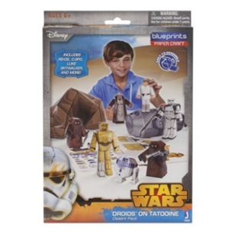 | SW BLUEPRINTS - CLASSIC FIGURE | 8001444160192 | EN. FR. ES. PT. IT. EL. TR. | unit | 19.90 € | 3996 | 79,520.40 € | 9 | 684 | 5.84
GPZ19-GPH12905 | STAR WARS | 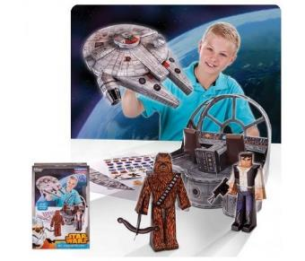 | SW BLUEPRINTS - MILLENIUM | 8001444160208 | EN. FR. ES. PT. IT. EL. TR. | unit | 15.90 € | 864 | 13,737.60 € | 6 | 366 | 2.36
GPZ19-GPH51448 | SLUGTERRA | 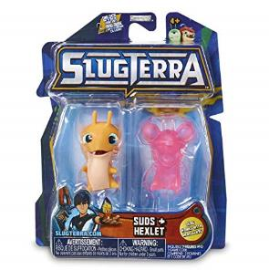 | SLUGTERRA - BLISTER 2 SLUGS #1 | 8001444514483 |  | unit | 24.90 € | 1164 | 28,983.60 € | 12 | 2004 | 0.58
GPZ19-GPH19409 | RPS |  | RPS - BLISTER 8 MASCOTAS | 3700320066867 | DE. ES. EL. TR. IT. | unit | 8.50 € | 168 | 1,428.00 € | 24 | 456 | 0.37
GPZ19-D3D18000 | IDO 3D | 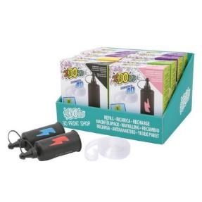 | IDO 3D REFILL PRINT SHOP | 8056379040644 | EN. IT. FR. NL. DE. ES. PT. EL. TR. | display | 12.90 € | 2700 | 34,830.00 € | 10 | 240 | 11.25
GPZ19-D3D09000 | IDO 3D | 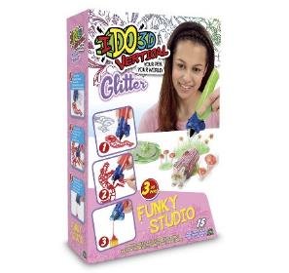 | IDO 3D VERT- GLITTER+METALLIC | 8056379032984 | EN. IT. FR. NL. ES. PT. EL. TR. | unit | 19.90 € | 1572 | 31,282.80 € | 12 | 204 | 7.71
GPZ19-D3D19000 | IDO 3D |  | IDO 3D VERT-PACK 4 BOLIS COLOR |  |  | unit | 39.90 € | 280 | 11,172.00 € | 8 | 280 | 1.00
GPZ19-D3D16000 | IDO 3D | 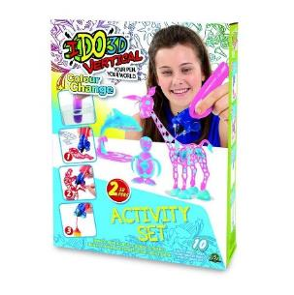 | IDO 3D VERT-SET 2 PENS NEW ASS | 8056379038597 | EN. IT.FR. DE. NL. ES. PT. EL. TR. | unit | 23.90 € | 792 | 18,928.80 € | 12 | 360 | 2.20
GPZ19-UPW19000 | SUPER WINGS | 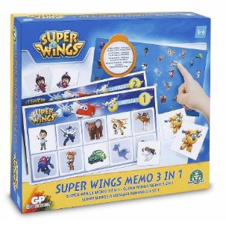 | SUPER WINGS - JUEGO 3 EN 1 | 8056379019695 | IT. ES. PT. EL. | unit | 19.90 € | 10656 | 212,054.40 € | 12 | 288 | 37.00
GPZ19-UPW21000 | SUPER WINGS | 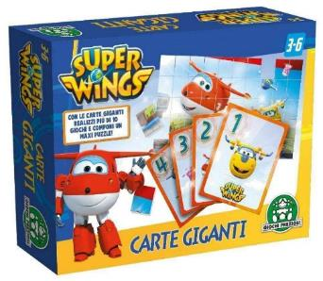 | SUPER WINGS-TARJETAS GIGANTES | 8056379019718 | IT. ES. PT. EL. | unit | 17.90 € | 5112 | 91,504.80 € | 12 | 528 | 9.68
GPZ19-UPW22000 | SUPER WINGS | 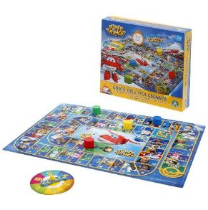 | SUPER WINGS - JUEGO DE LA OCA | 8056379019725 | IT. ES. PT. EL. | unit | 15.90 € | 6790 | 107,961.00 € | 10 | 310 | 21.90
GPZ19-UPW75000 | SUPER WINGS | 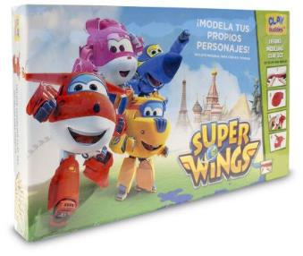 | SUPER WINGS - SET MOLDEA TUS | 8056379033769 | IT. ES. PT. EL. | unit | 34.90 € | 9942 | 346,975.80 € | 6 | 174 | 57.14
GPZ19-UPW20000 | SUPERWINGS | 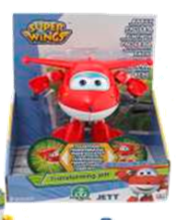 | SUPERWINGS PERS TRASF ART ASS3 | 8056379019701 |  | unit | 29.90 € | 240 | 7,176.00 € | 12 | 240 | 1.00
GPZ19-UPW00G12 | SUPERWINGS | 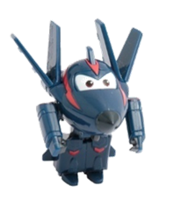 | SUPERWINGS PERS BASE S2 CHASE |  |  | unit | 29.90 € | 648 | 19,375.20 € | 36 | 828 | 0.78
GPZ19-100078 | GLIMMIES | 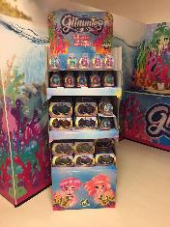 | GLIMMIES RAINBOW FRIEND EXPO 84 PZ |  |  | display | 4.90 € | 6636 | 32,516.40 € | 84 | 336 | 19.75
 |  |  |  |  |  |  |  | 190164 | 3,523,431.36 €

